Sheet1
PL_05 must be fill up by members even if they are at telework. If RTO please add on another column where would they bring the laptop.

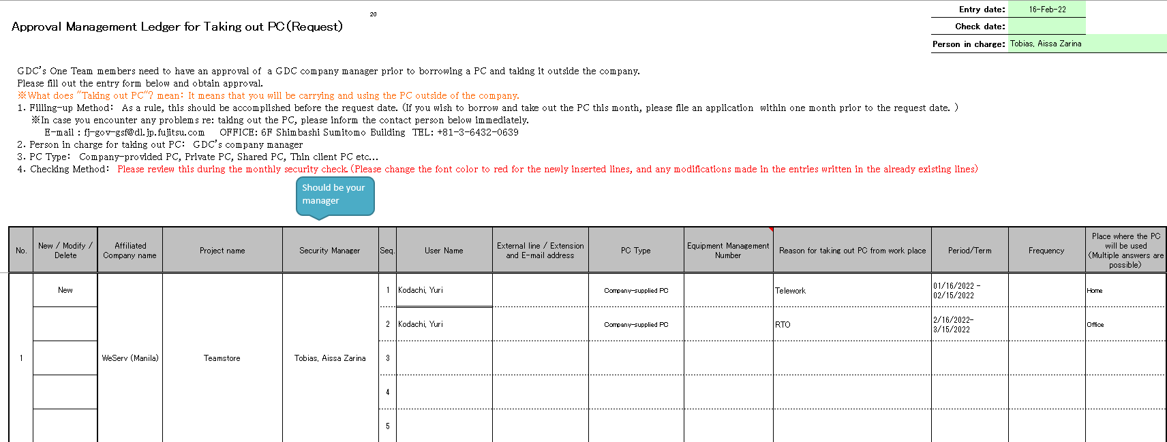

GDC's company manager

Manager's name
Email Address here
Asset Tag

If member is on telework.

For the BIOS password which is #10 in the self check, so members should recheck the BIOS password they should try if the BIOS password would prompt when pressing F2. If still not please advice the member to raise a ticket in MIS.

Reference, Appendix 3 of the Security Template

Reference, FAQ's for Security Checking FAQ - Frequently Asked Questions (sharepoint.com)

Add notes when is your target date of completion

If a member has 2 laptops, both laptop should be audited in PL_03 ITPN Selfcheck and PL_05 PC Take-out Approval

Reference, FAQ's for Security Checking FAQ - Frequently Asked Questions (sharepoint.com)

The #13 of Appendix 3, the Microsoft must be always updated especially when Security Checking. But it is also okay to have NG on this if the members internet is unstable

Location: Appendix 3
Comment should be added if NG

Location: PL_03 ITPN Selfcheck
Should also add in Notes a Comment why it is NG

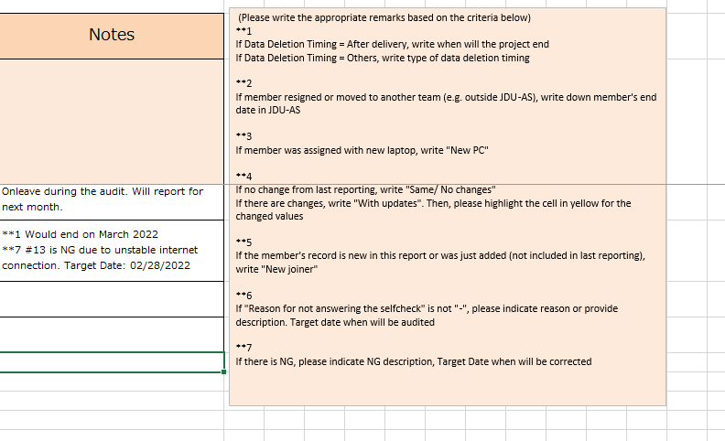

Please advice members to enlarge the Evidence in Appendix 3 so the Security PIC can clearly see the evidence. Due to it is printed as PDF the PIC can't enlarge it themselves.
How to enlarge?
Change Row Height

Not enlarged evidences.

Enlarged Evidences. Easier to check evidences.

#15, #16, #17, #18 are the only allowed numbers to be marked as "-". But if you have those must answer those numbers.

How to check Adobe Reader #15
https://helpx.adobe.com/support/programs/eol-matrix.html

How to check Java Runtime
https://www.oracle.com/java/technologies/java-se-support-roadmap.html

This is #15 - #18 of SelfCheck and Appendix 3

If the member has no Asset Tag add in Note in PL_03 ITPN Selfcheck

Asset Tag

If there are NA in IT Report it would be relayed by the PIC to the members.

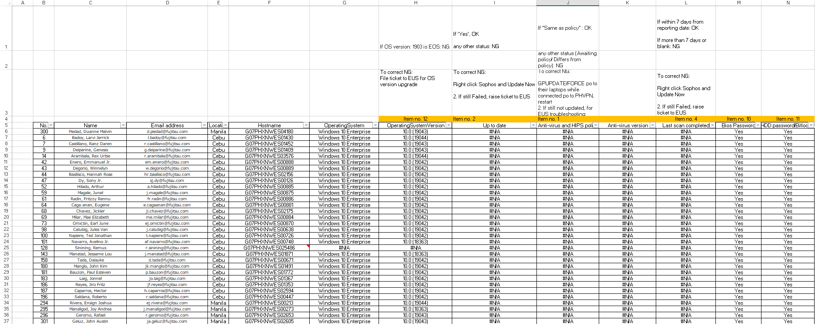

Security Lead Template.xlsx (sharepoint.com)

Asia - Monthly Security Check - Japan Projects - Division 4 - All Documents (sharepoint.com)

LINKS
 | FAQ
 | FAQ - Frequently Asked Questions (sharepoint.com)
 | Monthly Security Checking Location
 | Asia - Monthly Security Check - Japan Projects - Division 4 - All Documents (sharepoint.com)
 | Security Lead Template
 | Security Lead Template.xlsx (sharepoint.com)
 | IT Report
 | Asia - Monthly Security Check - Japan Projects - IT Reports - All Documents (sharepoint.com)

